Vocab
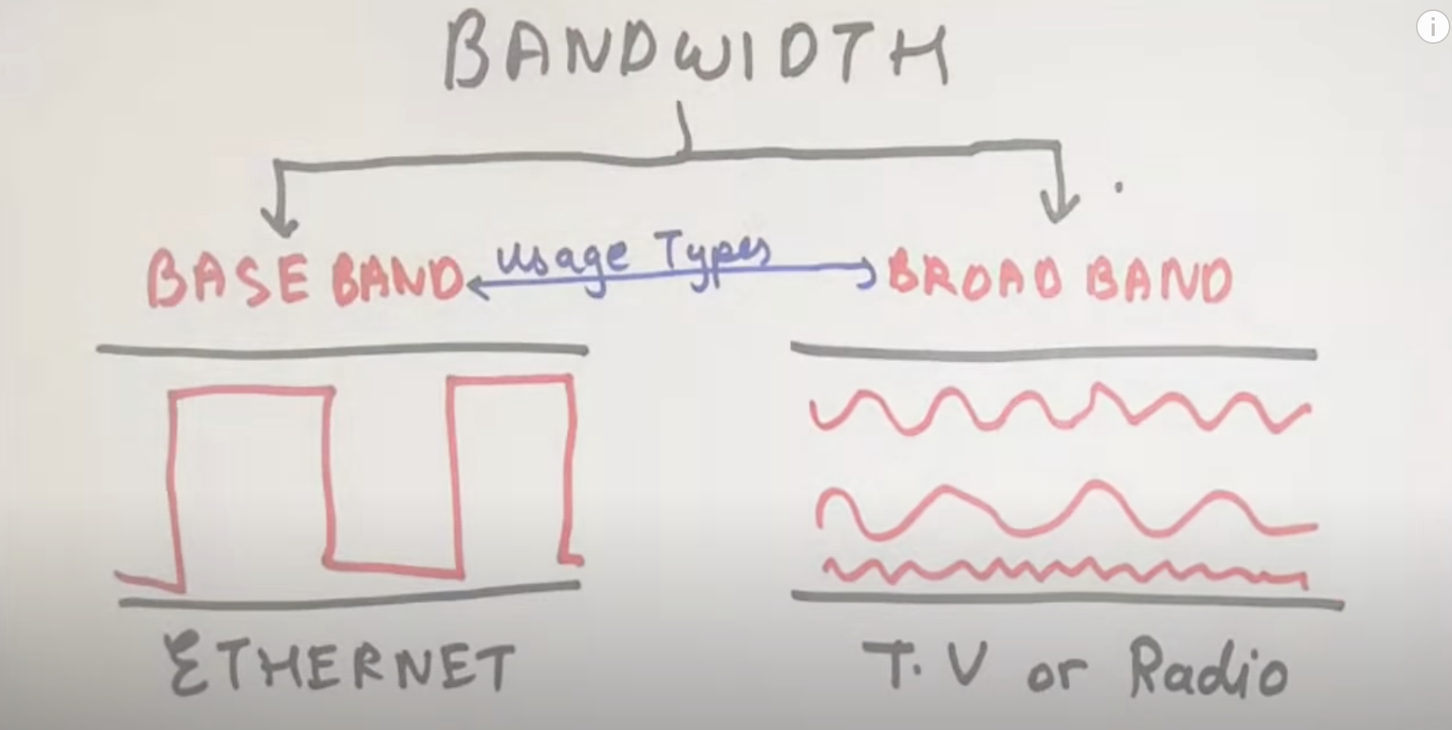
B( hz) | Bandwidth | Frequency range over where the signal transfers (f2-f1)// Range Decreaseses if B with increases, simililarly like wifi router

R (BPS) | Bit Rate | Number of bits transmitted per second
 | Baud rate | Number of Sumbols( mixture of bits) transmitted per second

 | Amplitude | is the H8 of the sine wave above or below the average line
 | Wavelength | Length of the Top and the bottom sine wave .
 | Time period | Time taken to complet one oscilations ( Sine wave)
F (HZ) | Frequency | Number of oscilations per second.

Formulaes
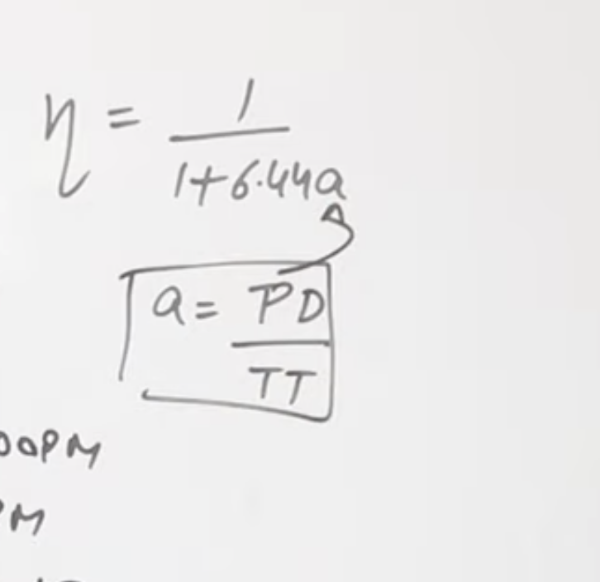
Effciency

